Sheet1
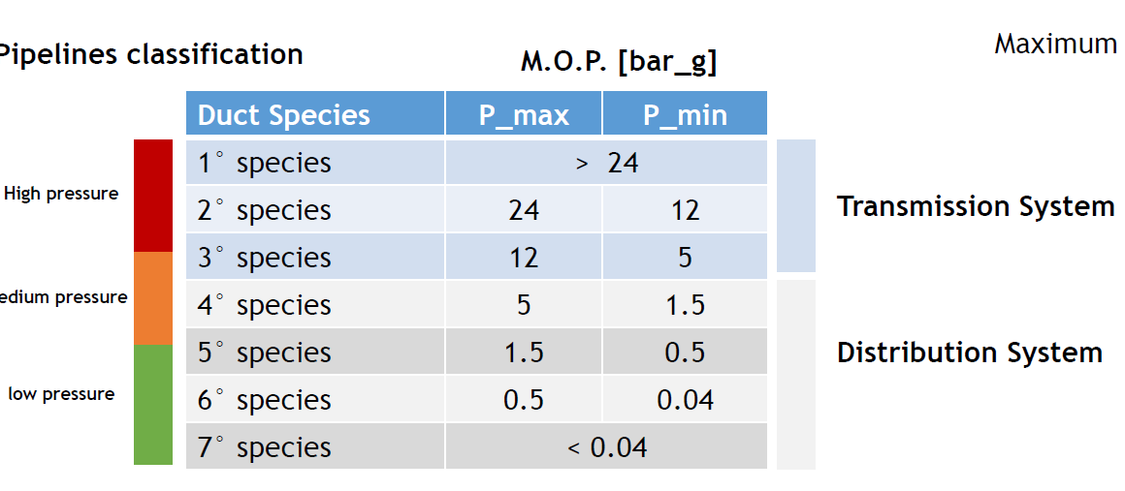
Design of a gas network system |  |  |  |  |  |  |  |  |  |  |  |  |  |  |  |  |  |  |  |  |  |  |  |  |  | mol % | cricital T | mixture T | critical P | mixture P
 |  |  |  |  |  |  |  |  |  |  |  |  |  |  |  |  |  |  |  |  |  |  |  |  | metano | 68.70% | 190.6 | 171.018548 | 4.6 | 6.39145432
The goal of this work is to design and simulate a municipal gsa network 4th species |  |  |  |  |  |  |  |  |  |  |  |  |  |  |  |  |  |  |  |  |  |  |  |  | etano | 7.58% | 305.3 |  | 4.87
 |  |  |  |  |  |  |  |  |  |  |  |  |  |  |  |  |  |  |  |  |  |  |  |  | propano | 1.07% | 369.9 |  | 4.25
Requirement |  |  |  |  |  |  |  |  |  |  |  |  |  |  |  |  |  |  |  |  |  |  |  |  | azoto | 0.97% | 126.2 |  | 3.39
1. Design of a natural gas network |  |  |  |  |  |  |  |  |  |  |  |  |  |  |  |  |  |  |  |  |  |  |  |  | anidride carbonia | 1.67% | 304.2 |  | 7.38
2. Fluid dynamic analysis of the network |  |  |  |  |  |  |  |  |  |  |  |  |  |  |  |  |  |  |  |  |  |  |  |  | Hydrogen | 20% | 33.2 |  | 13.3

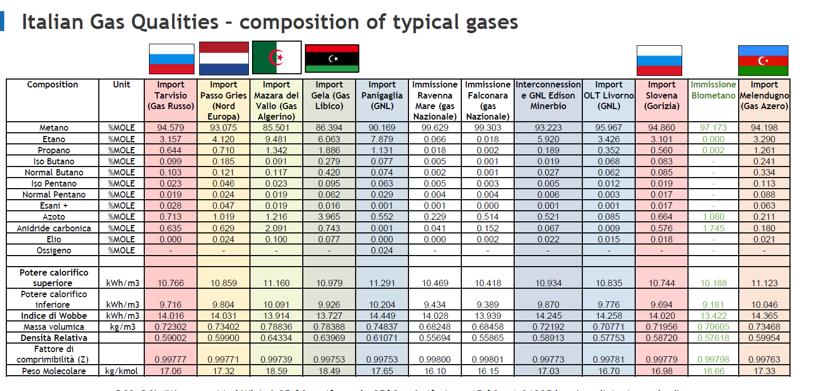
Part 1
At least 15 buildings, each wuth a different volume, between 100,000 cubic meter to 500,000 cubic meter |  |  |  |  |  |  |  |  |  |  |  |  |  |  |  | Choose a typical gas in italia: |  |  | Gas Algerino

Node | Building Num | Building Volume (m3) | Buildings type | volumetric heat transfer coefficient | T in,D(℃) | T out,act(℃) | Phi heat demand (Kw) | boiler eficiency | kWh-ch | Qd Sm3/h | Sm3/s | Md Kg/h | Kg/s |  |  | Considering the war of Russia resulting in unreliable and unsustained of Gas Russo, we chosse the Gas Algerino as the supply gas in our project, which the second largest supply source.
N8 | 1 | 260,000 | old | 0.9 | 20 | -8 | 6552.0 | 0.88 | 7445 | 864 | 0.2399 | 559.441 | 0.1554
N6 | 2 | 200,000 | old | 0.9 | 20 | -8 | 5040.0 | 0.9 | 5600 | 650 | 0.1804 | 420.776 | 0.1169
N7 | 3 | 320,000 | old | 0.9 | 20 | -8 | 8064.0 | 0.85 | 9487 | 1100 | 0.3057 | 712.844 | 0.1980
N10 | 4 | 190,000 | old | 0.9 | 20 | -8 | 4788.0 | 0.93 | 5148 | 597 | 0.1659 | 386.843 | 0.1075 |  |  | LHV | 8.6214 | 31.03704 | Density | 0.6478
N12 | 5 | 170,000 | old | 0.9 | 20 | -8 | 4284.0 | 0.9 | 4760 | 552 | 0.1534 | 357.660 | 0.0993 |  |  |  | kwh/Sm3 | MJ/Sm3 |  | (kg/Sm3)
N14 | 6 | 180,000 | new | 0.4 | 20 | -8 | 2016.0 | 0.94 | 2145 | 249 | 0.0691 | 161.148 | 0.0448
N15 | 7 | 220,000 | new | 0.4 | 20 | -8 | 2464.0 | 0.94 | 2621 | 304 | 0.0845 | 196.959 | 0.0547 |  |  | heat transfer coefficients for new and old buildings
N17 | 8 | 140,000 | new | 0.4 | 20 | -8 | 1568.0 | 0.95 | 1651 | 191 | 0.0532 | 124.018 | 0.0344 |  |  | new | 0.4 |  | W/m3K
N18 | 9 | 100,000 | new | 0.4 | 20 | -8 | 1120.0 | 0.94 | 1191 | 138 | 0.0384 | 89.527 | 0.0249 |  |  | old | 0.9
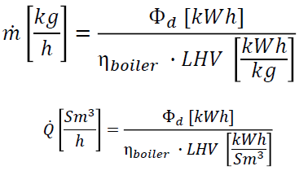
N20 | 10 | 330,000 | old | 0.9 | 20 | -8 | 8316.0 | 0.8 | 10395 | 1206 | 0.3349 | 781.066 | 0.2170
N21 | 11 | 300,000 | old | 0.9 | 20 | -8 | 7560.0 | 0.9 | 8400 | 974 | 0.2706 | 631.164 | 0.1753
N23 | 12 | 280,000 | old | 0.9 | 20 | -8 | 7056.0 | 0.85 | 8301 | 963 | 0.2675 | 623.739 | 0.1733
N24 | 13 | 230,000 | old | 0.9 | 20 | -8 | 5796.0 | 0.88 | 6586 | 764 | 0.2122 | 494.890 | 0.1375
N25 | 14 | 120,000 | new | 0.4 | 20 | -8 | 1344.0 | 0.93 | 1445 | 168 | 0.0466 | 108.587 | 0.0302
N27 | 15 | 360,000 | new | 0.4 | 20 | -8 | 4032.0 | 0.88 | 4582 | 531 | 0.1476 | 344.271 | 0.0956
N28 | 16 | 310,000 | old | 0.9 | 20 | -8 | 7812.0 | 0.8 | 9765 | 1133 | 0.3146 | 733.729 | 0.2038
N30 | 17 | 340,000 | new | 0.4 | 20 | -8 | 3808.0 | 0.94 | 4051 | 470 | 0.1305 | 304.391 | 0.0846
N31 | 18 | 210,000 | new | 0.4 | 20 | -8 | 2352.0 | 0.95 | 2476 | 287 | 0.0798 | 186.027 | 0.0517
Sum |  |  |  |  |  |  | 84 |  | 96 | 11141 | 3.0947 | 7217.082 | 2.0047
 |  |  |  |  |  | maybe change | MW | BOSCH
 |  |  |  |  |  |  |  | https://www.bosch-thermotechnology.com/it/it/residenziale/assistenza-e-servizi/documentazione/catalogo-prodotti/

Branchs | Connection | Length
1 | N1-N2 | 1700
2 | N2-N3 | 1650
3 | N3-N4 | 1350 |  |  |  |  |  | the most stressed one |  |  |  |  | dPlin [bar/m] | 0.0002065
4 | N4-N8 | 1500
5 | N4-N5 | 1900 |  |  |  |  | B | Branches | Length[m] | Eq.Length[m] | Tot_Length[m] | Q[Sm3/s] | Pin(bar_g) | Pout(bar_g) | Pin(bar_a) | Pout(bar_a) | deltaP(bar) | Pin(kgf/cm2) | Pout(kgf/cm2) | R_RMP | RD | D(m) | D(mm) | A(m2) | P_m(bara) | rho_actual(kg/m3) | m_dot(kg/s) | Q_actual(m3/s) | velocity(m/s) | Max velocity check |  | Real D
6 | N5-N6 | 960 |  |  |  |  | 1 | 1-2 | 1700 | 13 | 1713 | 3.095 | 5.00 | 4.65 | 6.01 | 5.66 | 0.35 | 6.132 | 5.771 | 0.0003 |  | 0.23105733444 | 231 | 0.04190918106 | 5.836 | 3.7307 | 2.005 | 0.5374 | 12.82 | ✔ |  | 300
7 | N5-N7 | 1200 |  |  |  |  | 2 | 2-3 | 1650 | 4.5 | 1654.5 | 1.290 | 4.65 | 4.30 | 5.66 | 5.32 | 0.34 | 5.771 | 5.423 | 0.0015 |  | 0.16819144454 | 168 | 0.022206364182 | 5.489 | 3.5084 | 0.836 | 0.2383 | 10.73 | ✔ |  | 200
8 | N4-N9 | 2300 |  |  |  |  | 3 | 3-4 | 1350 | 13 | 1363 | 1.290 | 4.30 | 4.02 | 5.32 | 5.04 | 0.28 | 5.423 | 5.136 | 0.0014 |  | 0.17024329411 | 170 | 0.022751481663 | 5.177 | 3.3093 | 0.836 | 0.2526 | 11.10 | ✔ |  | 200
9 | N9-N10 | 1000 |  |  |  |  | 8 | 4-9 | 2300 | 6.5 | 2306.5 | 0.564 | 4.02 | 3.55 | 5.04 | 4.56 | 0.48 | 5.136 | 4.650 | 0.0058 |  | 0.12656316657 | 127 | 0.012574314579 | 4.798 | 3.0671 | 0.366 | 0.1192 | 9.48 | ✔ |  | 150
10 | N9-N11 | 2500 |  |  |  |  | 10 | 9-11 | 2500 | 6.5 | 2506.5 | 0.398 | 3.55 | 3.03 | 4.56 | 4.04 | 0.52 | 4.650 | 4.122 | 0.0099 |  | 0.11352420118 | 114 | 0.010116879238 | 4.301 | 2.7494 | 0.258 | 0.0939 | 9.28 | ✔ |  | 125
11 | N11-N12 | 1100 |  |  |  |  | 12 | 11-13 | 2400 | 13 | 2413 | 0.245 | 3.03 | 2.53 | 4.04 | 3.54 | 0.50 | 4.122 | 3.614 | 0.0211 |  | 0.096990613838 | 97 | 0.0073846356505 | 3.793 | 2.4246 | 0.159 | 0.0655 | 8.87 | ✔ |  | 100
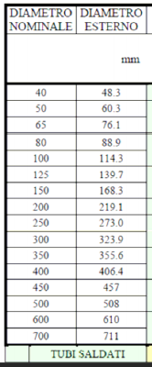
12 | N11-N13 | 2400 |  |  |  |  | 15 | 13-16 | 2500 | 6.5 | 2506.5 | 0.092 | 2.53 | 2.01 | 3.54 | 3.03 | 0.52 | 3.614 | 3.086 | 0.1094 |  | 0.068898555134 | 69 | 0.0037264035561 | 3.285 | 2.0999 | 0.059 | 0.0282 | 7.58 | ✔ |  | 80
13 | N13-N14 | 1300 |  |  |  |  | 16 | 16-17 | 2000 | 0 | 2000 | 0.053 | 2.01 | 1.60 | 3.03 | 2.61 | 0.41 | 3.086 | 2.665 | 0.2525 |  | 0.057924129241 | 58 | 0.0026338357274 | 2.820 | 1.8025 | 0.034 | 0.0191 | 7.26 | ✔ |  | 65
14 | N13-N15 | 1900 |  |  |  |  |  | total | 16400 |  | 16463
15 | N13-N16 | 2500
16 | N16-N17 | 2000 |  |  |  |  |  |  |  |  |  |  |  |  |  |  |  |  |  |  |  |  |  |  |  | Gas:
17 | N16-N18 | 1500 |  |  |  |  |  | atmP(bar) | 1.01325 |  |  |  |  |  |  |  |  |  |  |  |  |  |  |  |  | velocities within pipelines should be low enough to limit the drag of impurities and noise
18 | N2-N19 | 3300 |  |  |  |  |  | bar | kg/cm2
19 | N19-N20 | 700 |  |  |  |  |  | 1 | 1.01972
20 | N19-N21 | 1400 |  |  |  |  |  | rho air | 1.225 | kg/m3
21 | N19-N22 | 2300
22 | N22-N23 | 900 |  |  |  |  |  | t (℃) | 15
23 | N22-N24 | 1100 |  |  |  |  |  | T (K) | 288.15
24 | N22-N25 | 1450 |  |  |  |  |  | R(kJ/kmolK) | 8.314
25 | N2-N26 | 2200 |  |  |  |  |  | MM (kg/kmol) | 15.28
26 | N26-N27 | 1300 |  |  |  |  |  | Z | 0.9978
27 | N26-N28 | 800
28 | N26-N29 | 1500 |  |  |  |  |  |  |  |  |  |  |  |  |  |  |  |  |  |  |  |  |  |  |  |  |  |  |  |  |  | Real D
29 | N29-N30 | 1800 |  |  |  |  | 17 | 16-18 | 1500 | 0 | 1500 | 0.038 | 2.01 | 1.6 | 3.03 | 2.61 | 0.41 | 3.086 | 2.665 | 0.6093 |  | 0.048249960635 | 48 | 0.0018275260805 | 2.820 | 1.8025 | 0.025 | 0.0138 | 7.55 | ✔ |  | 65
30 | N29-N31 | 1000 |  |  |  |  | 13 | 13-14 | 1300 | 0 | 1300 | 0.069 | 2.53 | 1.6 | 3.54 | 2.61 | 0.93 | 3.614 | 2.665 | 0.5934 |  | 0.048515755508 | 49 | 0.001847716148 | 3.079 | 1.9679 | 0.045 | 0.0227 | 12.31 | ✔ |  | 65
 |  |  |  |  |  |  | 14 | 13-15 | 1900 | 0 | 1900 | 0.084 | 2.53 | 1.6 | 3.54 | 2.61 | 0.93 | 3.614 | 2.665 | 0.2818 |  | 0.056621728655 | 57 | 0.0025167258224 | 3.079 | 1.9679 | 0.055 | 0.0278 | 11.05 | ✔ |  | 65
 |  |  |  |  |  |  | 11 | 11-12 | 1100 | 0 | 1100 | 0.153 | 3.03 | 1.6 | 4.04 | 2.61 | 1.43 | 4.122 | 2.665 | 0.2728 |  | 0.057005901327 | 57 | 0.0025509931371 | 3.328 | 2.1272 | 0.099 | 0.0467 | 18.31 | ✔ |  | 65
 |  |  |  |  |  |  | 9 | 9-10 | 1000 | 0 | 1000 | 0.166 | 3.55 | 1.6 | 4.56 | 2.61 | 1.95 | 4.650 | 2.665 | 0.3819 |  | 0.053160922508 | 53 | 0.0022184756903 | 3.587 | 2.2926 | 0.107 | 0.0469 | 21.13 | ✔ |  | 65
 |  |  |  |  |  |  | 4 | 4-8 | 1500 | 0 | 1500 | 0.240 | 4.02 | 1.6 | 5.04 | 2.61 | 2.42 | 5.136 | 2.665 | 0.1727 |  | 0.062677004012 | 63 | 0.003083799363 | 3.825 | 2.4449 | 0.155 | 0.0636 | 20.61 | ✔ |  | 80
 |  |  |  |  |  |  | 5 | 4-5 | 1900 | 6.5 | 1906.5 | 0.486 | 4.02 | 2.54 | 5.04 | 3.55 | 1.49 | 5.136 | 3.619 | 0.0259 |  | 0.092921865996 | 93 | 0.0067780614464 | 4.293 | 2.7440 | 0.315 | 0.1148 | 16.93 | ✔ |  | 125
 |  |  |  |  |  |  | 7 | 5-7 | 1200 | 0 | 1200 | 0.306 | 2.54 | 1.6 | 3.55 | 2.61 | 0.94 | 3.619 | 2.665 | 0.0432 |  | 0.083545072041 | 84 | 0.0054791265639 | 3.081 | 1.9696 | 0.198 | 0.1005 | 18.35 | ✔ |  | 100
WITHLOOP |  |  |  |  |  |  | 6 | 5-6 | 960 | 0 | 960 | 0.180 | 2.54 | 1.6 | 3.55 | 2.61 | 0.94 | 3.623 | 2.665 | 0.1417 |  | 0.065301544297 | 65 | 0.0033474689748 | 3.083 | 1.9709 | 0.117 | 0.0593 | 17.72 | ✔ |  | 80
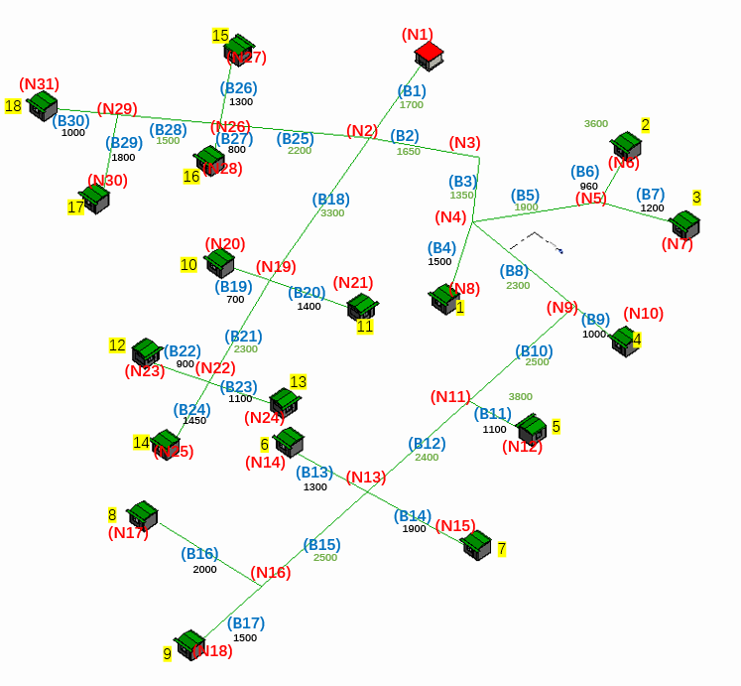
 |  |  |  |  |  |  |  |  |  |  |  |  | plinear | 0.00077999019579
 |  |  |  |  |  |  |  |  |  |  |  |  |  |  |  |  |  |  |  |  |  |  |  |  |  |  |  |  |  |  |  | Real D
 |  |  |  |  |  |  | 18 | 2-19 | 3300 | 13 | 3313 | 1.132 | 4.65 | 3.22 | 5.66 | 4.23 | 1.43 | 5.771 | 4.317 | 0.0035 |  | 0.14044080288 | 140 | 0.015483041005 | 4.946 | 3.1618 | 0.733 | 0.2319 | 14.98 | ✔ |  | 150
 |  |  |  |  |  |  | 21 | 19-22 | 2300 | 13 | 2313 | 0.526 | 3.22 | 2.22 | 4.23 | 3.24 | 1.00 | 4.317 | 3.301 | 0.0108 |  | 0.11148345719 | 111 | 0.0097564205632 | 3.735 | 2.3877 | 0.341 | 0.1428 | 14.63 | ✔ |  | 125
 |  |  |  |  |  |  | 24 | 22-25 | 1450 | 0 | 1450 | 0.047 | 2.22 | 1.60 | 3.24 | 2.61 | 0.62 | 3.301 | 2.665 | 0.6955 |  | 0.046943370262 | 47 | 0.0017298888091 | 2.925 | 1.8700 | 0.030 | 0.0161 | 9.32 | ✔ |  | 65
 |  |  |  |  |  |  | 22 | 22-23 | 900 | 0 | 900 | 0.267 | 2.22 | 1.60 | 3.24 | 2.61 | 0.62 | 3.301 | 2.665 | 0.0465 |  | 0.082277267464 | 82 | 0.005314095762 | 2.925 | 1.8700 | 0.173 | 0.0927 | 17.44 | ✔ |  | 100
 |  |  |  |  |  |  | 23 | 22-24 | 1100 | 0 | 1100 | 0.212 | 2.22 | 1.60 | 3.24 | 2.61 | 0.62 | 3.301 | 2.665 | 0.0580 |  | 0.078598627766 | 79 | 0.004849529265 | 2.925 | 1.8700 | 0.137 | 0.0735 | 15.16 | ✔ |  | 100
 |  |  |  |  |  |  | 19 | 19-20 | 700 | 0 | 700 | 0.335 | 3.22 | 2.50 | 4.23 | 3.51 | 0.72 | 4.317 | 3.583 | 0.0607 |  | 0.077870629469 | 78 | 0.0047601104231 | 3.873 | 2.4759 | 0.217 | 0.0876 | 18.41 | × | ✔ | 100
 |  |  |  |  |  |  | 20 | 19-21 | 1400 | 0 | 1400 | 0.271 | 3.22 | 1.60 | 4.23 | 2.61 | 1.62 | 4.317 | 2.665 | 0.0889 |  | 0.071935451449 | 72 | 0.0040621467025 | 3.423 | 2.1882 | 0.175 | 0.0801 | 19.72 | ✔ |  | 80

 |  |  |  |  |  |  |  |  |  |  |  |  | plinear | 0.00043050097059
 |  |  |  |  |  |  |  |  |  |  |  |  |  |  |  |  |  |  |  |  |  |  |  |  |  |  |  |  |  |  |  | Real D
 |  |  |  |  |  |  | 25 | 2-26 | 2200 | 13 | 2213 | 0.673 | 4.65 | 3.42 | 5.66 | 4.44 | 1.22 | 5.771 | 4.526 | 0.0119 |  | 0.10912078869 | 109 | 0.0093472670216 | 5.049 | 3.2273 | 0.436 | 0.1350 | 14.44 | ✔ |  | 125
 |  |  |  |  |  |  | 28 | 26-29 | 1500 | 6.5 | 1506.5 | 0.210 | 3.42 | 2.59 | 4.43 | 3.60 | 0.83 | 4.522 | 3.674 | 0.0788 |  | 0.073759344302 | 74 | 0.0042707460844 | 4.019 | 2.5690 | 0.136 | 0.0530 | 12.42 | ✔ |  | 80
 |  |  |  |  |  |  | 30 | 29-31 | 1000 | 0 | 1000 | 0.080 | 2.59 | 1.60 | 3.60 | 2.61 | 0.99 | 3.674 | 2.665 | 0.6380 |  | 0.047792226473 | 48 | 0.0017930160753 | 3.108 | 1.9869 | 0.052 | 0.0260 | 14.51 | ✔ |  | 65
 |  |  |  |  |  |  | 29 | 29-30 | 1800 | 0 | 1800 | 0.131 | 2.59 | 1.60 | 3.61 | 2.61 | 0.99 | 3.678 | 2.665 | 0.1452 |  | 0.06496927349 | 65 | 0.0033134901008 | 3.110 | 1.9880 | 0.085 | 0.0425 | 12.84 | ✔ |  | 80
 |  |  |  |  |  |  | 27 | 26-28 | 800 | 0 | 800 | 0.315 | 3.42 | 1.60 | 4.43 | 2.61 | 1.82 | 4.521 | 2.665 | 0.1368 |  | 0.065785039658 | 66 | 0.0033972220826 | 3.523 | 2.2521 | 0.204 | 0.0905 | 26.64 | ✔ |  | 80
 |  |  |  |  |  |  | 26 | 26-27 | 1300 | 0 | 1300 | 0.148 | 3.42 | 1.60 | 4.43 | 2.61 | 1.82 | 4.521 | 2.665 | 0.3336 |  | 0.054674206163 | 55 | 0.0023465760234 | 3.523 | 2.2521 | 0.096 | 0.0425 | 18.10 | ✔ |  | 65
 |  |  |  |  |  |  |  |  |  |  |  |  | plinear | 0.00055

